Start Page
9
5
29
5


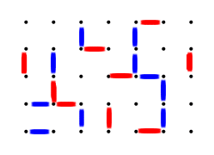
Green
Yellow
Burgundy
Gray
Orange
White

Blue
Purple
Red

